Macuncu
Macuncu: Macun is a traditional Ottoman desert. Traditionally it is sold on streets, in a hand truck. Dealer usually wears an Ottoman costume to attract tourists.

*Each hand truck has only one macun plate.
** Only 3 different flavors (orange, strawberry, coconut) are available.

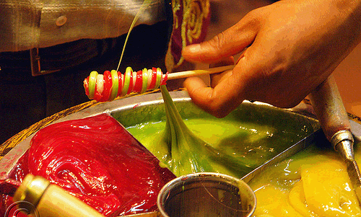
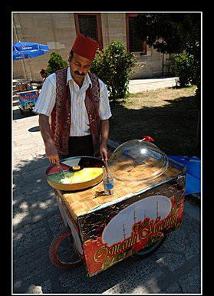

 |  | 4.4
Price (per stick) | 3.00 TL

Costs: |  | Fixed | Variable
Leasing of Macuncu Hand Truck (Monthly) | 210.00 TL | 210.00 TL
Cost of gum per stick | 0.08 TL |  | 0.08 TL
Cost of spices per stick | 0.12 TL |  | 0.12 TL
Leasing of Ottoman Costume (Monthly) | 70.00 TL | 70.00 TL
Cost of orange per stick | 0.05 TL |  | 0.05 TL
Cost of strawberry per stick | 0.20 TL |  | 0.20 TL
Leasing of Macun Plate (Monthly) | 20.00 TL | 20.00 TL
Cost of coconut per stick | 0.17 TL |  | 0.17 TL
Cost of each stick | 0.08 TL |  | 0.08 TL
 | Totals: | 300.00 TL | 0.70 TL
Shortcut:
Contribution Margin | 2.30 | TL
Monthly Break-Even Point | 130.43 | sticks

OzU Store
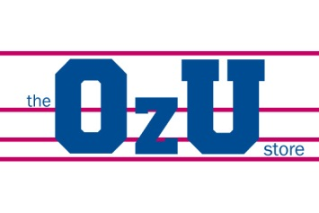

 |  |  | *Assuming that all produced goods are sold.

Products | Price | Unit Production Cost | Unit Sales | Unit Margin | Revenue | % of Revenue | Production Cost
Sweatshirt | 80.00 TL | 40.00 TL | 800 | 40.00 TL | 64,000.00 TL | 69.38% | 32,000.00 TL
T-shirt | 30.00 TL | 12.50 TL | 600 | 17.50 TL | 18,000.00 TL | 19.51% | 7,500.00 TL
Mug | 15.00 TL | 7.00 TL | 500 | 8.00 TL | 7,500.00 TL | 8.13% | 3,500.00 TL
Car Sticker | 5.00 TL | 2.00 TL | 250 | 3.00 TL | 1,250.00 TL | 1.36% | 500.00 TL
Key Chain | 5.00 TL | 3.00 TL | 300 | 2.00 TL | 1,500.00 TL | 1.63% | 900.00 TL
 |  |  |  | total: | 92,250.00 TL | total: | 44,400.00 TL
 |  |  |  | shortcut | 92,250.00 TL | shortcut | 44,400.00 TL
 |  | Revenue | 92,250.00 TL
 |  | Overhead | 15,000.00 TL
 |  | Total Cost | 59,400.00 TL
 |  | Profit | 32,850.00 TL

